FY24
 |  | National Disaster Medical System |  |  |  |  |  |  |  |  |  |  |  |  |  |  | AO
 |  | ITAS Timesheet |  |  |  |  |  |  |  |  |  |  |  | 

Team Name |  | <Choose your team> |  |  |  |  | Days Worked |  | Timekeeper |  | 0

Pay Period Number |  | 2023/21 09/24/23-10/07/23 |  |  |  |  | 0 |  | Employee Name

Pay Period Start Date |  | 2023-09-24

Day | Sun | Mon | Tue | Wed | Thu | Fri | Sat | Sun | Mon | Tue | Wed | Thu | Fri | Sat | Total
Date | 2023-09-24 | 2023-09-25 | 2023-09-26 | 2023-09-27 | 2023-09-28 | 2023-09-29 | 2023-09-30 | 2023-10-01 | 2023-10-02 | 2023-10-03 | 2023-10-04 | 2023-10-05 | 2023-10-06 | 2023-10-07
Start-1
Stop-1
Total Hours | 0.00 | 0.00 | 0.00 | 0.00 | 0.00 | 0.00 | 0.00 | 0.00 | 0.00 | 0.00 | 0.00 | 0.00 | 0.00 | 0.00 | 0.00 | For multiple shifts or Start/Stop times, expand by clicking on the "+" sign to the left of Row 21 on gray sidebar
Regular | 0.00 | 0.00 | 0.00 | 0.00 | 0.00 | 0.00 | 0.00 | 0.00 | 0.00 | 0.00 | 0.00 | 0.00 | 0.00 | 0.00 | 0.00
Overtime | 0.00 | 0.00 | 0.00 | 0.00 | 0.00 | 0.00 | 0.00 | 0.00 | 0.00 | 0.00 | 0.00 | 0.00 | 0.00 | 0.00 | 0.00

Justifications |  |  |  |  |  |  |  |  |  |  |  | Enter Time In Military Time Format
Activity |  | Task |  |  |  |  |  | Hours | Notes / ReL / Roster / CAN |  |  | 1:00:00 | 0100 | 13:00:00 | 1300
Essential Tasks (Command Staff) |  |  |  |  |  |  |  |  |  |  |  | 2:00:00 | 0200 | 14:00:00 | 1400
 |  |  |  |  |  |  |  |  |  |  |  | 3:00:00 | 0300 | 15:00:00 | 1500
 |  |  |  |  |  |  |  |  |  |  |  | 4:00:00 | 0400 | 16:00:00 | 1600
 |  |  |  |  |  |  |  |  |  |  |  | 5:00:00 | 0500 | 17:00:00 | 1700
 |  |  |  |  |  |  |  |  |  |  |  | 6:00:00 | 0600 | 18:00:00 | 1800
 |  |  |  |  |  |  |  |  |  |  |  | 7:00:00 | 0700 | 19:00:00 | 1900
 |  |  |  |  |  |  |  |  |  |  |  | 8:00:00 | 0800 | 20:00:00 | 2000
 |  |  |  |  |  |  |  |  |  |  |  | 9:00:00 | 0900 | 21:00:00 | 2100
 |  |  |  |  |  |  |  |  |  |  |  | 10:00:00 | 1000 | 22:00:00 | 2200
 |  |  |  |  |  |  |  |  |  |  |  | 11:00:00 | 1100 | 23:00:00 | 2300
 |  |  |  |  |  |  |  |  |  |  |  | 12:00:00 | 1200 | 12:00:00 | 2400

Headquarters Activity |  |  |  |  |  |  |  |  |  |  |  | Additional Comments:
Mandatory Training
Readiness
Team Training

Response

Event |  |  |  |  |  |  |  | 0.00 | Total Hours Worked
Name & Title of Authorizing Official
Enter Signature line here

Updated: | 2023-10-31
AO

Instructions
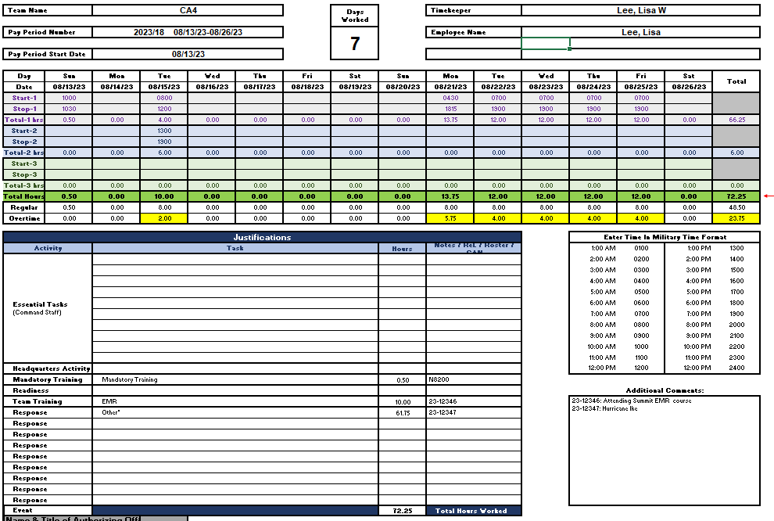
Instructions on filling in your timesheet

Section A | HHS uses the government Fiscal Year (FY) that goes from Oct to Sep
Team Name | Using the pull-down menu, select your team; your Timekeeper will automatically show up
Pay Period Number | Using the pull-down menu, select the current Pay Period (PP) and the Pay Period Start Date will automatically show up
Employee Name | Add your name

Section B | Entering your hours - EXAMPLE: On 08/16/23, you worked from 0800-1900 with a one hour lunch break at noon for a total of ten hours
Option1: | If you worked from 0800-1900, you can enter as a single shift minus one-hour for lunch. Start Time would be 0800 and Stop time would be 1800

Option2: | To the left of the page in the gray area, you'll see a "+" sign on row 13; click to expand from a single shift view to three shift view. You can enter actuals hours
 | with a one hour lunch break at noon

Section C
Note that the Essential Tasks section is for Command Staff only

For all, enter total hours worked for each area
Headquarters Activity: | For Command Staff - If you worked hours for Headquarters, enter with Other and IPR number
Mandatory Training: | If you took any online courses, enter with Mandatory Training under Task and use pull-down menu for which ReL course you took
Readiness: | For Command Staff - If you worked hours for Headquarters, enter with Other and IPR or deployment number
Team Training: | If you attended summit or DMAT 101, enter deployment number
Response: | If you were deployed, enter deployment number
If the total hours worked is showing up in red, that means Start/Stop times entered in Section B does not match hours entered in Section C; both Sections need to match

Filled out timesheet should look like this:

